Start
 | Humberside and South Yorkshire ACF
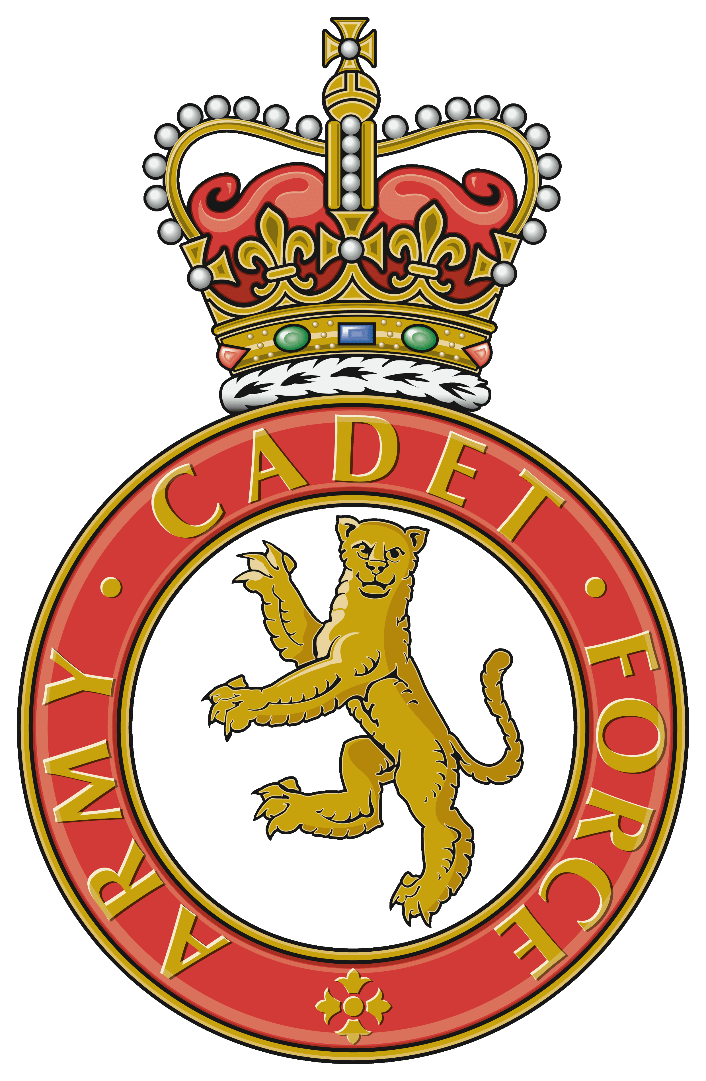 | Automated Detachment Training Program |  | 
Detachment Name |  | Detachment Name
Training Program Start Dates |  | 2017-01-02 | 2017-01-04

Instructors | Dress | Equipment | Non Syllabus Lessons
SMI Smith | MTP | GP Rifle | -
SSI Jones | Civvis | LSW | -
SI Snooks | Sports Kit | - | -
Cdt Cpl | Gortex | - | -
Cdt L/Cpl | - | - | -
- | - | - | -
- | - | - | -
- | - | - | -
- | - | - | -
- | - | - | -
- | - | - | -
- | - | - | -
Designed and Created by Lt A Stringer developed by LT N Bizzell

All Levels Monthly Program
Print
Back to Start
 |  | Detachment Name
 |  | Monthly Training Program
Date | Level | Subject | Lesson 1 | Instructor | Subject | Lesson 2 | Instructor | Dress/Equipment
02/01/2017

04/01/2017

09/01/2017

11/01/2017

16/01/2017

18/01/2017

23/01/2017

25/01/2017

30/01/2017

01/02/2017

